Navigation
SmartPLS report
Please cite the use of SmartPLS: Ringle, C. M., Wende, S., and Becker, J.-M. 2024. "SmartPLS 4." Bönningstedt: SmartPLS, https://www.smartpls.com.
 | complete
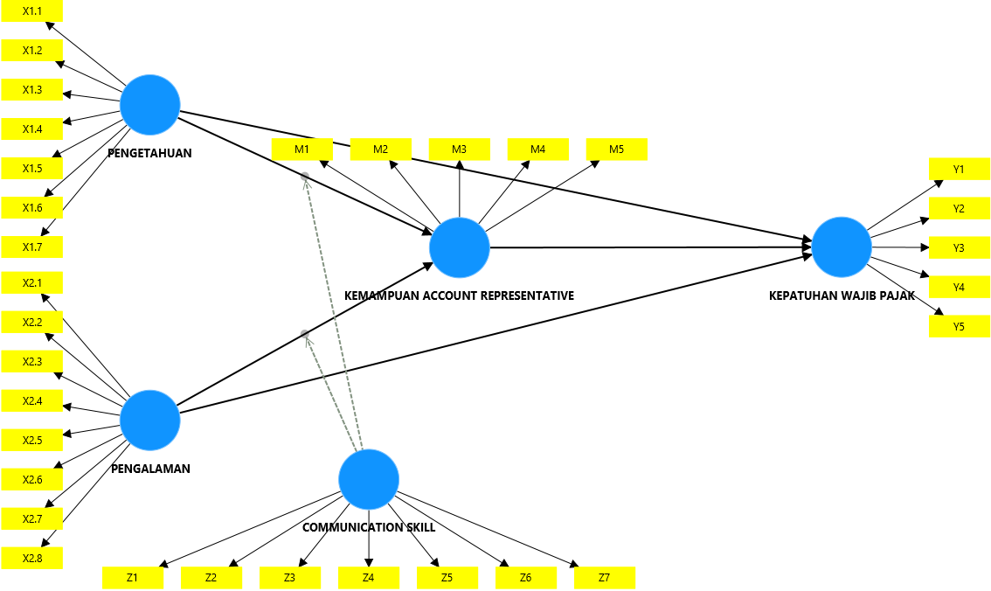
Final results
Path coefficients
Indirect effects
Total effects
Outer loadings
Outer weights
Latent variables
Residuals
Simple slope analysis

Quality criteria
R-square
f-square
Construct reliability and validity
Discriminant validity
Collinearity statistics (VIF)
Model fit
Model selection criteria

Algorithm
Setting
Stop criterion changes
Posthoc minimum sample size
Execution log

Model and data
Inner model
Outer model
Indicator data (original)
Indicator data (standardized)
Indicator data (correlations)

complete Charts
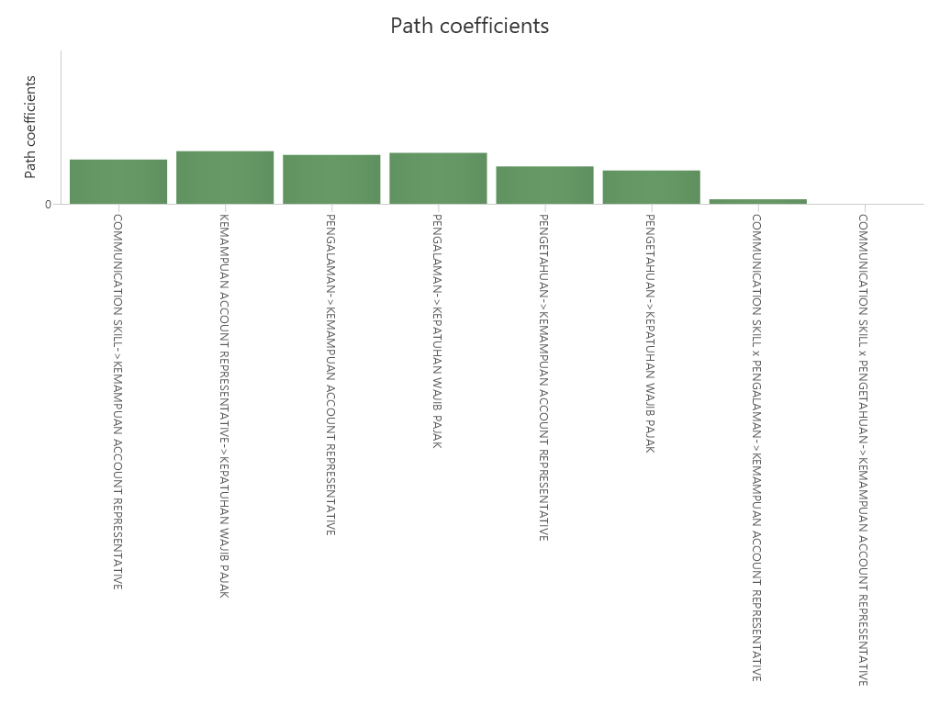
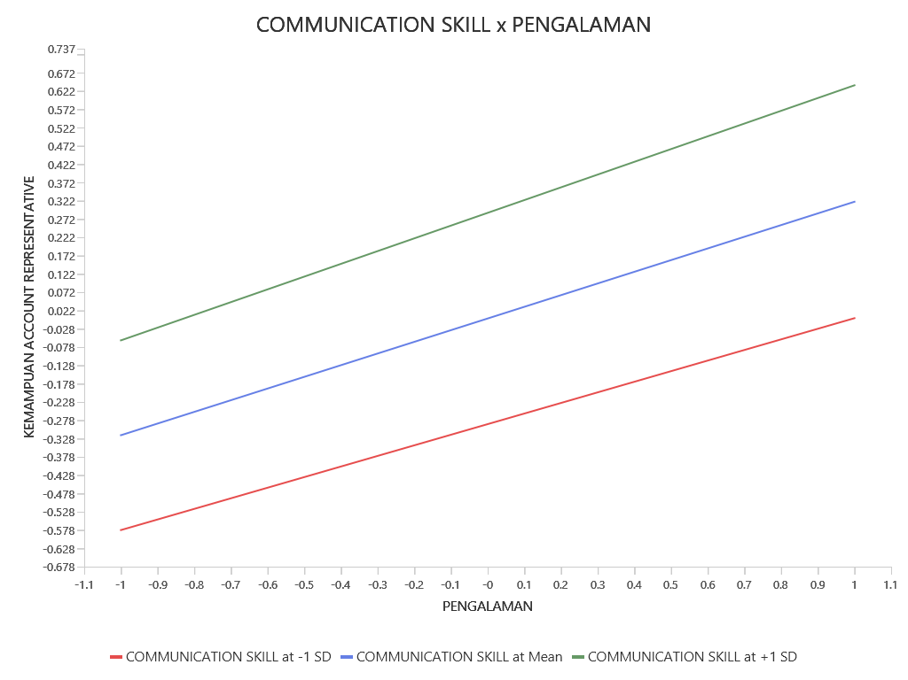
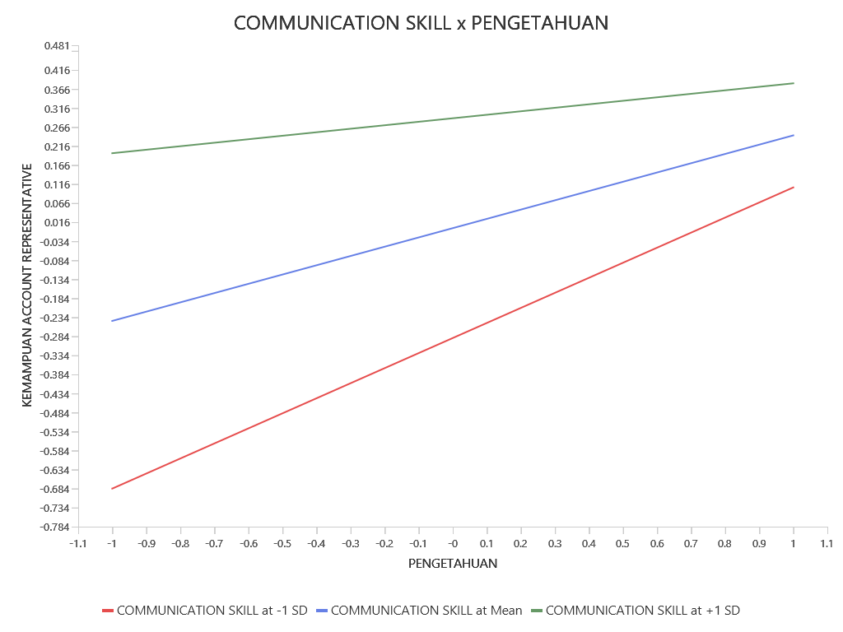
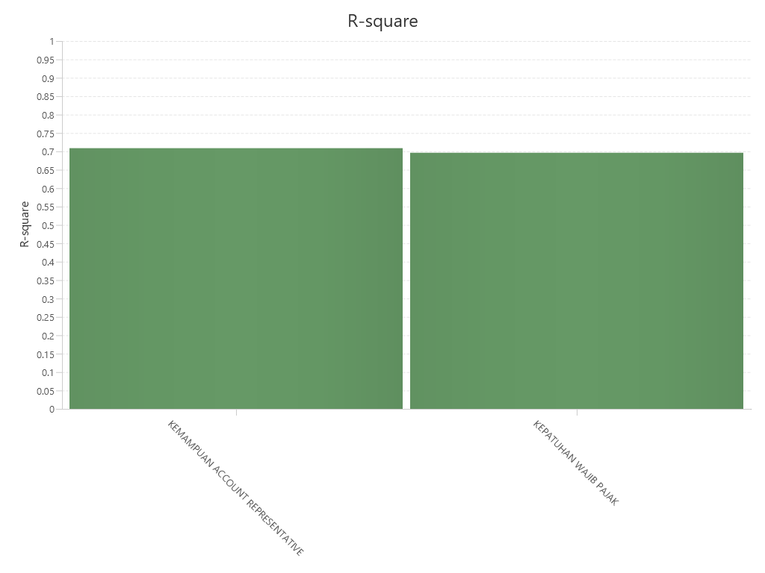
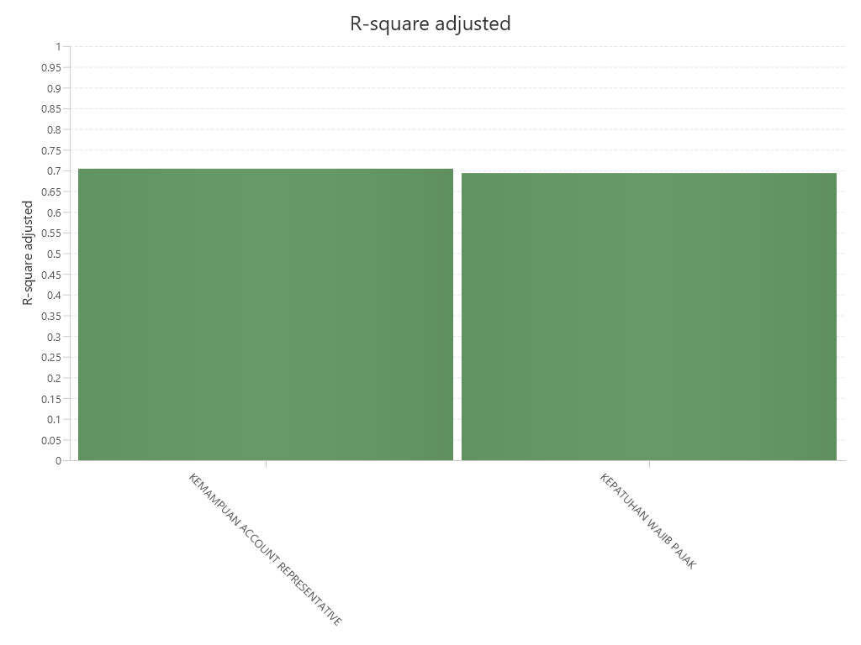
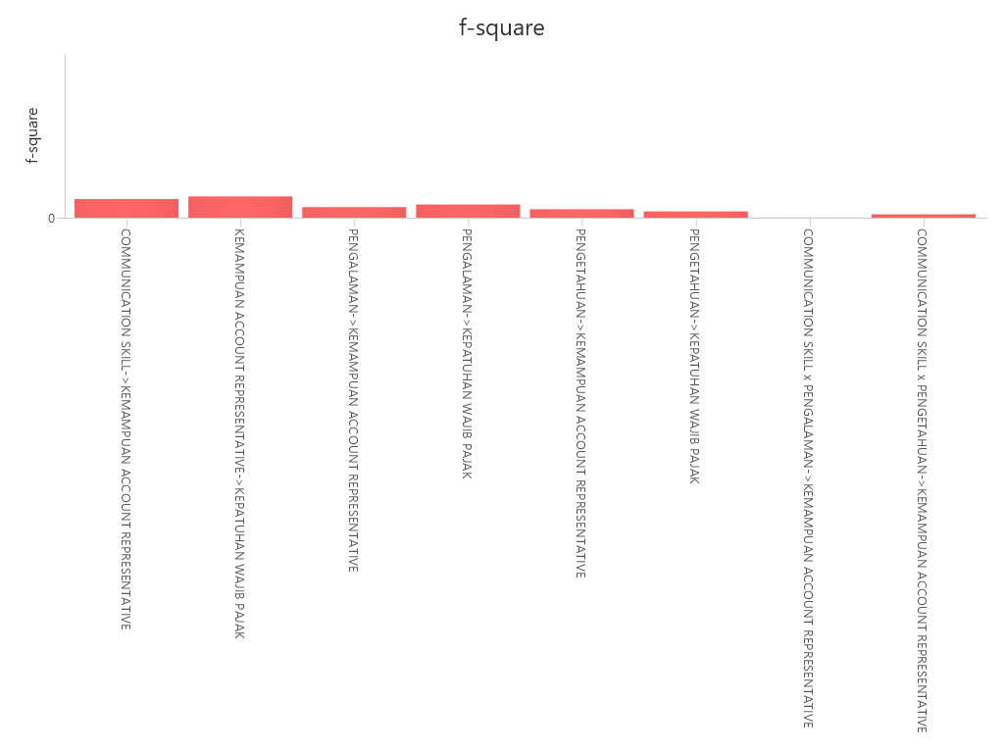
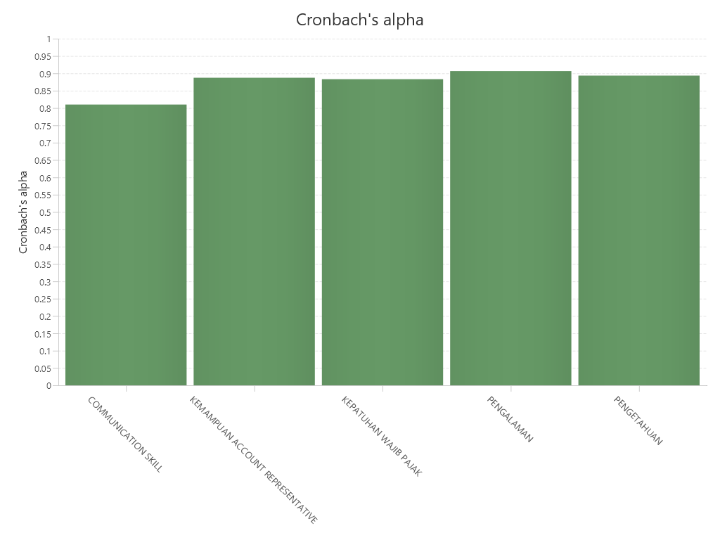
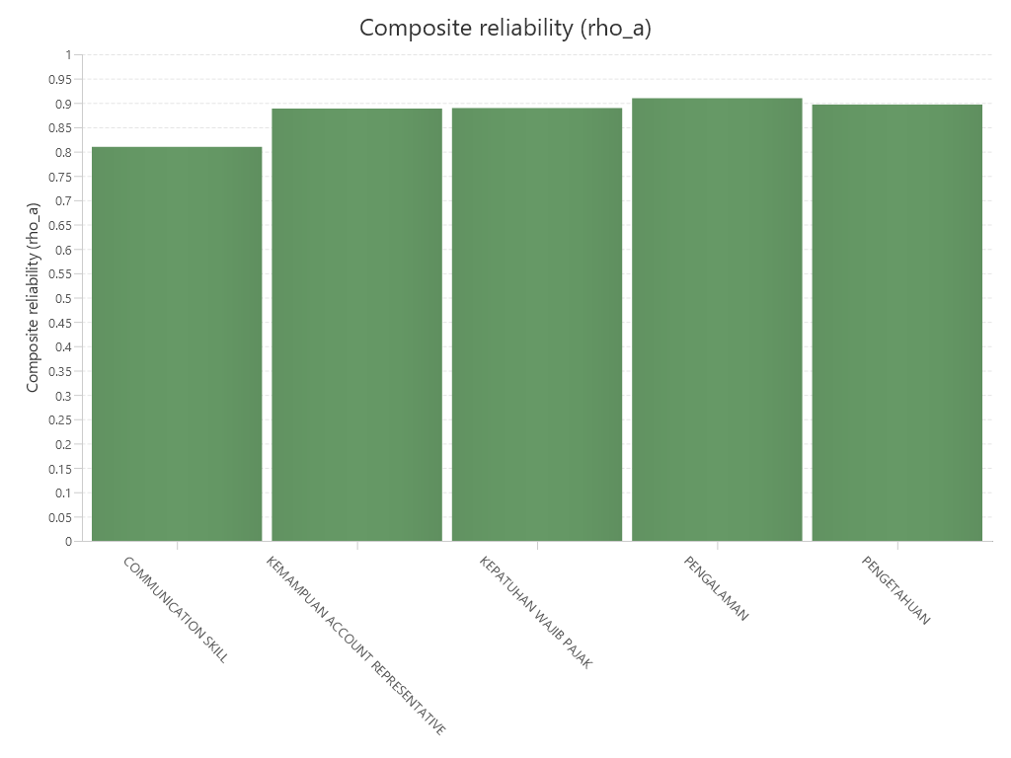
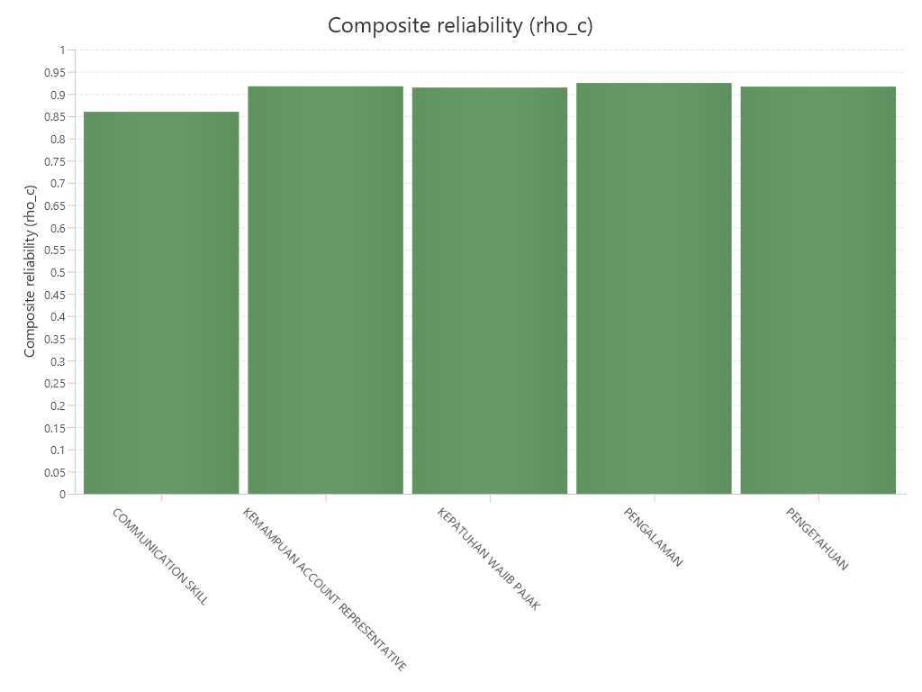
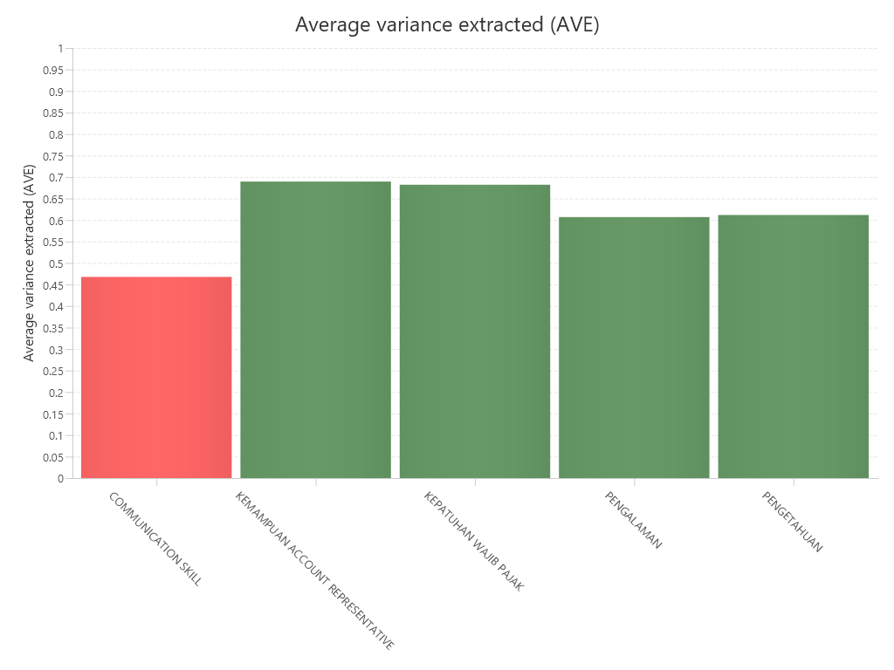
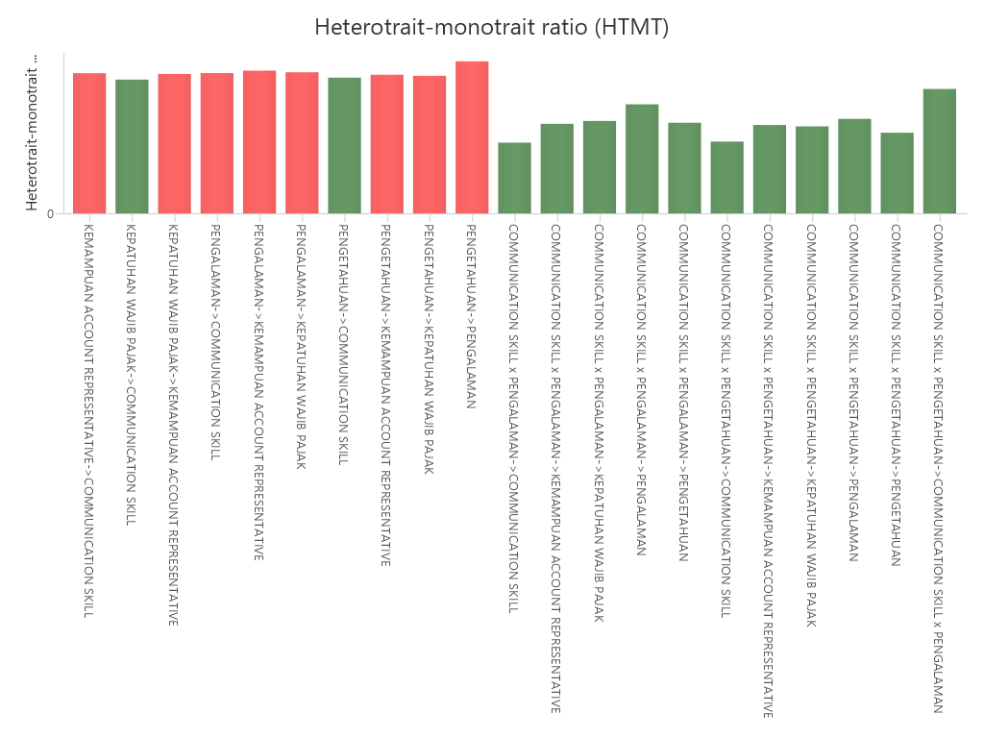
SmartPLS report
Please cite the use of SmartPLS: Ringle, C. M., Wende, S., and Becker, J.-M. 2024. "SmartPLS 4." Bönningstedt: SmartPLS, https://www.smartpls.com.

